1. Title Page
[Instacart Grocery Basket Analysis]

Project Name: Instacart Grocery Basket Analysis
Date: 6/29/2023
Analyst Name: Celine Bower

Contents:
Population Flow
Consistency checks
Wrangling steps
Column derivations
Visualizations
Recommendations

Citations:
Customer dataset: 'The instacart online grocery shopping dataset 2017', accessed from: https://s3.amazonaws.com/coach-courses-us/public/courses/data-immersion/A4/A4_Data_Assets/customers.zip
Data dictionary: https://gist.github.com/jeremystan/c3b39d947d9b88b3ccff3147dbcf6c6b

2. Population Flow
Instacart Grocery Basket Analysis

Population flow

Orders_products_combined
Orders_products_merged
Orders_products_all

Total: 32434489
Total: 32404859
Total: 32404859

3. Consistency checks
 |  |  | Instacart Grocery Basket Analysis
Consistency checks

Dataset | Missing values | Missing values treatment | Duplicates
orders | days_since_prior_order has 206209 missing values | No action taken, missing values expected for first time customers | None found
products | 16 missing values in 'product_name' | Create new dataframe excluding missing values | 5 duplicates found- removed from df
orders_products_prior | None |  | None found
customers | None |  | None found

4. Wrangling steps
 |  |  | Instacart Grocery Basket Analysis
Wrangling steps

Columns dropped | Columns renamed | Columns' type changed | Comment/Reason
Orders- 'eval_set' |  |  | Column not needed
 | Orders - 'dow' changed to 'orders_day_of-week' |  | Name change is more consise
 |  | order_id' to 'str'
 |  | Order - 'user_id' to 'str'
Orders-'Unnamed'
 | Customers- 'Surnam' to 'Surname'
 | Customers-'n_dependants' to 'Number_of_dependants'
 | Customers- 'STATE' to 'State'
 |  | Customers- 'First Name' to 'str' | Mixed type column
Customers-'Surname' |  |  | PII
Customers-'Last Name' |  |  | PII

5. Column derivations
 |  |  | Instacart Grocery Basket Analysis

Column derivations and aggregations

Dataset | New column | Column/s it was derived from | Conditions
Orders Products merged | Price range | Price | Price <=5: Low-range product
 |  |  | Price >5 and <=15: Mid-range product
 |  |  | Price >15: High-range product
Orders Products merged | Busiest days | Orders day of week | 0,1 Busiest days
 |  |  | 3,4 Least busy days
 |  |  | else: Regularly busy
Orders Products merged | Busiest period of day | Order hour of day | 10, 11, 14, 15, 13, 12, 16, 9: Most orders
 |  |  | 3, 4, 2, 5, 1, 0, 6, 23: Fewest orders
 |  |  | Else: Average orders
Orders Products merged | Loyalty flag | Max order | >40: Loyal customer
 |  |  | <=40 and >10: Regular customer
 |  |  | <=10: New customer
Orders Products merged | Spender flag | Mean price | >=10: High spender
 |  |  | <10: Low spender
Orders Products merged | Frequency flag | Days since prior order | >20: Non-frequent customer
 |  |  | >10 and <=20: Regular customer
 |  |  | <=10: Frequent customer
Final data set | Customer Region | State | 4 US Regions per US Census data
Final data set | Revenue exclusion flag | Max order | <5: Low-activity customer
 |  |  | >=5: High-activity customer

6. Visualizations
 |  |  |  |  |  |  |  |  |  |  |  |  |  |  |  |  | Instacart Grocery Basket Analysis

Visualisations

1.1 Orders per day of week, most popular is Saturday |  | 1.2 Frequency of items priced from $1-$25 |  |  |  |  | 1.3 Frequency of hours of day for orders |  |  |  |  | 1.4 Prices per days of the week |  |  |  | 1.5 Distribution of orders amongst customers
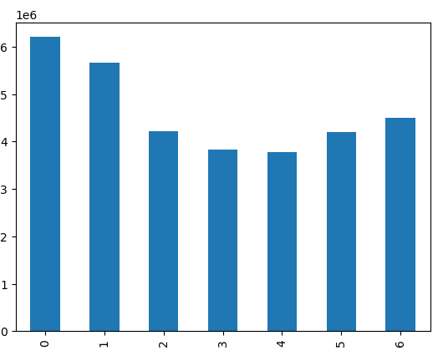

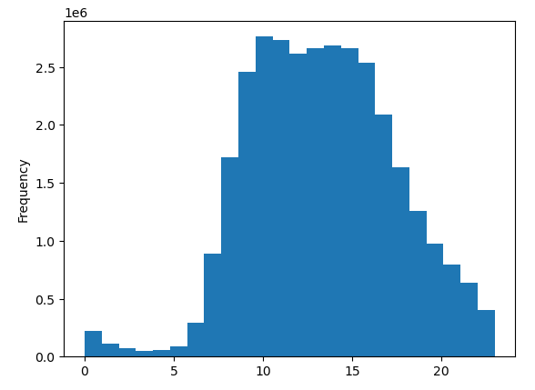
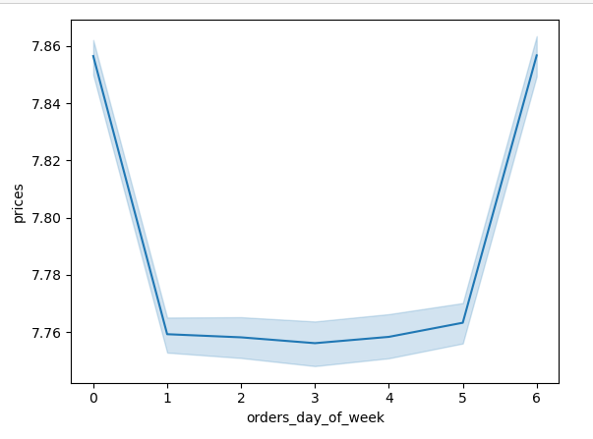
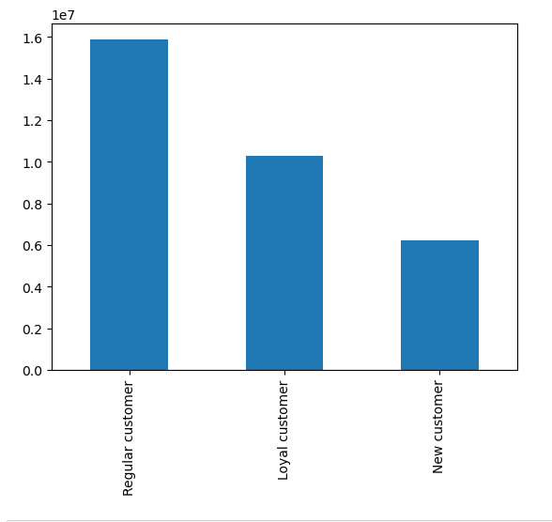

1.6 Expenditure per hour of day |  | 1.7 Customer age and number of dependants |  |  |  |  | 1.8 Age and Income of customers |  |  |  |  | 1.9 Customer income - frequency
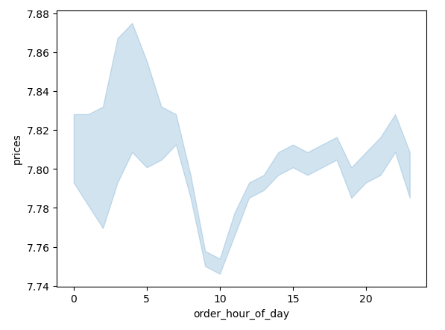
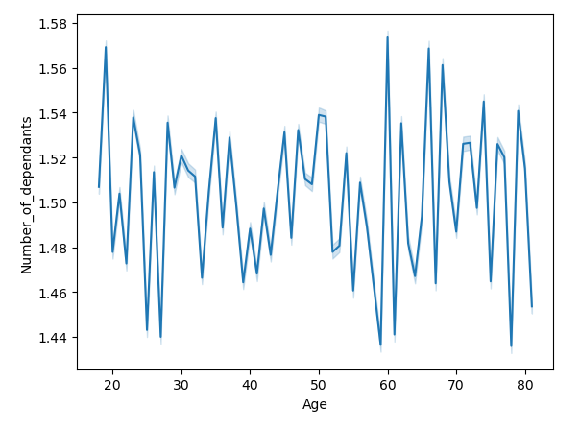
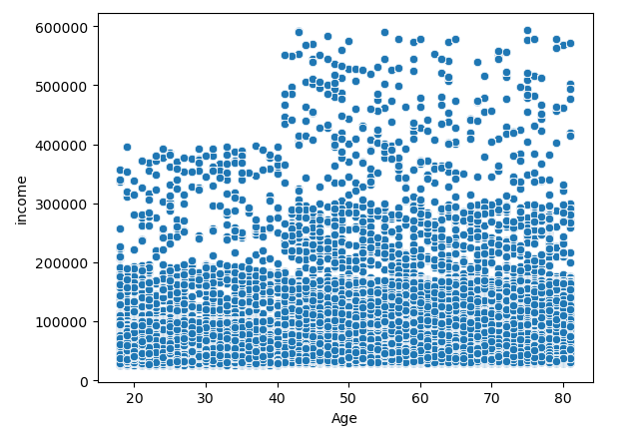
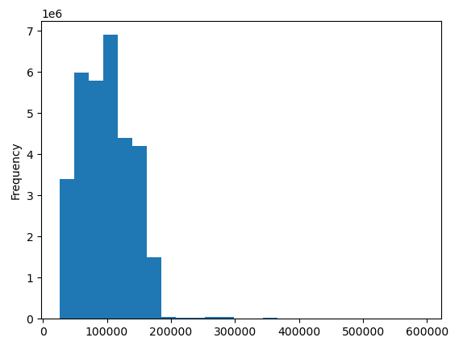

2.1 Income and number of dependants |  | 2.2 Customer income per age, increase at age 40 |  |  |  |  | 2.3 Mean order amount per income |  |  |  |  | 2.4 Mean order amount per age

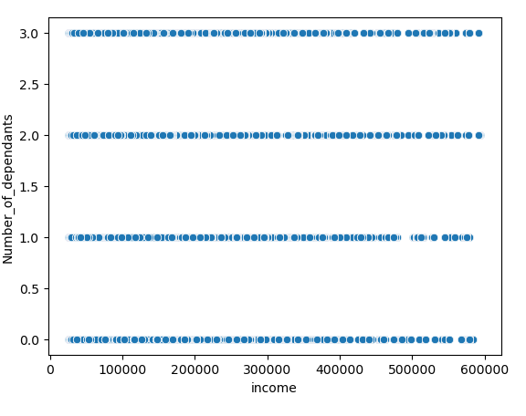
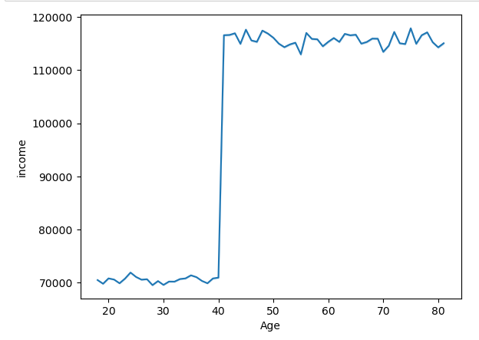
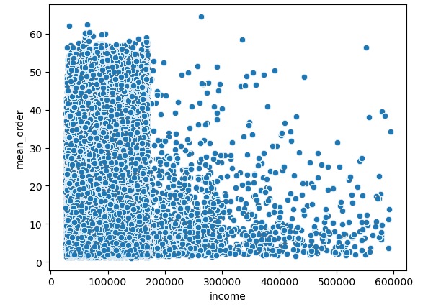
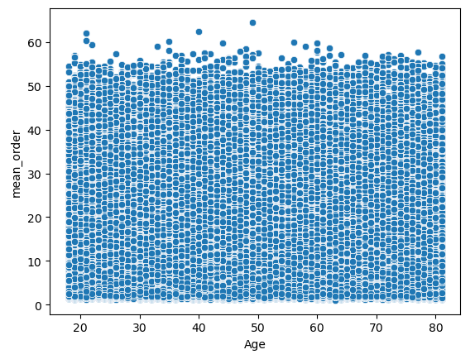

2.5 Gender and family status |  |  |  |  | 2.6 Gender and income |  |  |  |  | 2.7 Gender and average order amount
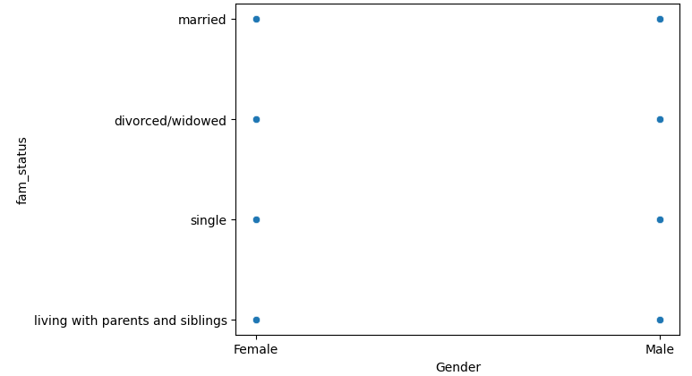
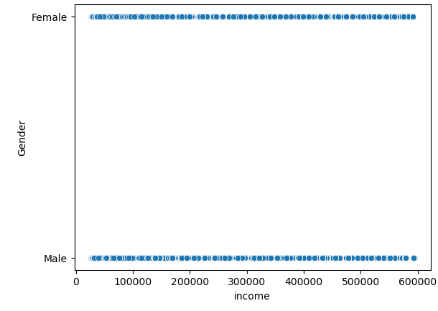
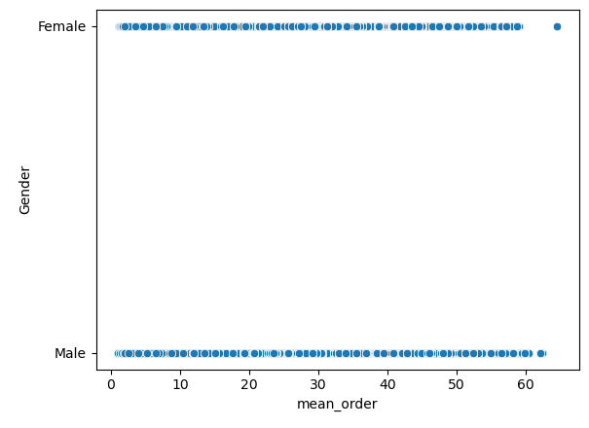

2.8 Average order amount and number of dependants |  |  | 2.9 Caregiving status per age group |  |  |  |  |  | 3.1 Wealth status per age group |  |  |  |  | 3.2 Wealth status per caregiver/non-caregivers
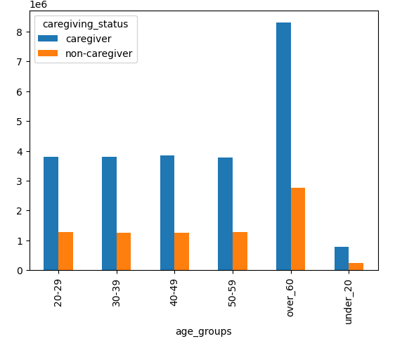
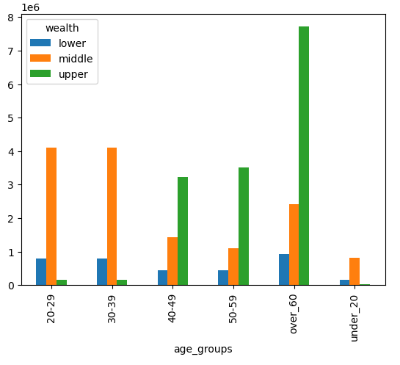
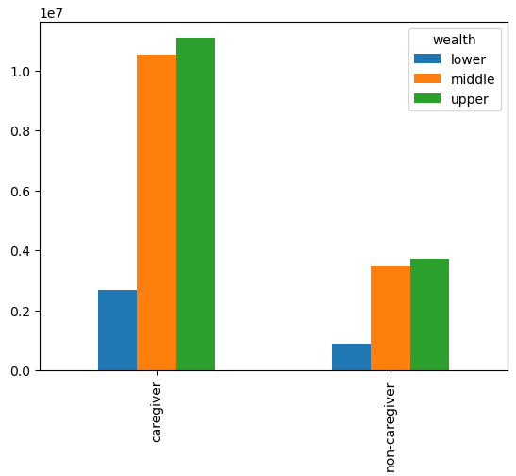
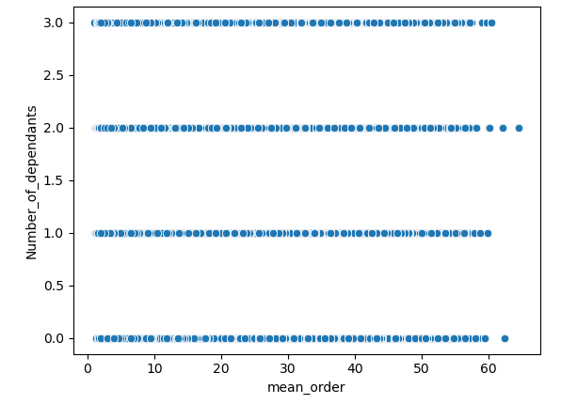

3.3 Caregiving status and meat/non-meat consumers |  |  | 3.4 Caregiving status and alcohol/non-alcohol consumers |  |  |  |  |  | 3.5 Wealth status and meat/non-meat consumers |  |  |  | 3.6 Wealth status and alcohol/non-alcohol consumers
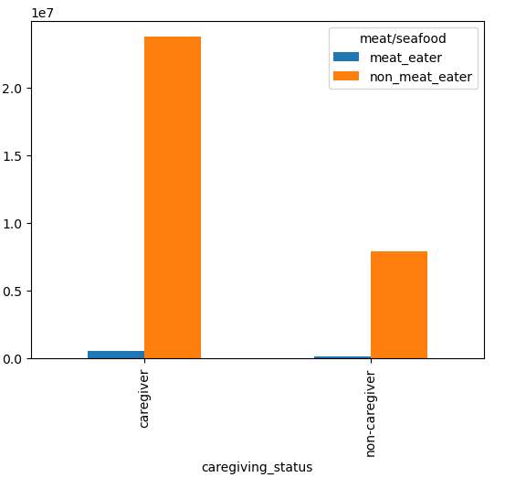
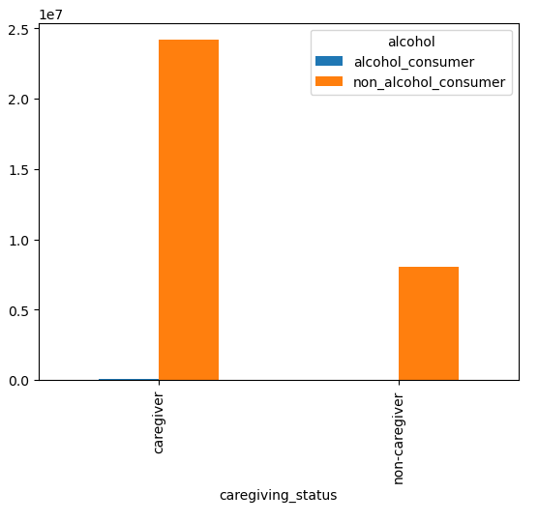
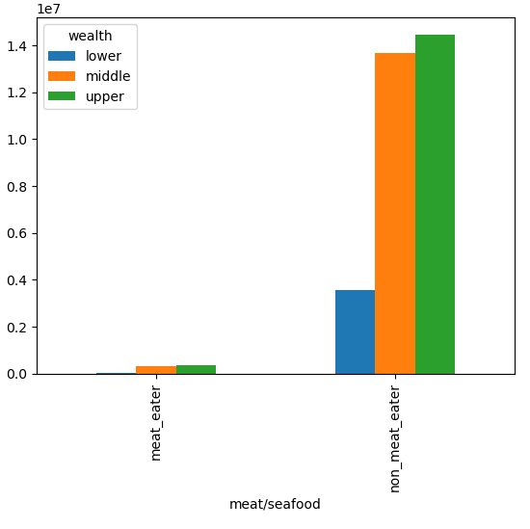
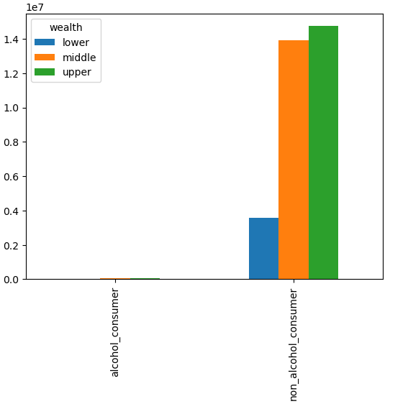

3.7 Age Groups and meat/non-meat consumers |  | 3.8 Age groups and alcohol/non-alcohol consumers |  |  |  |  |  | 3.9 Caregiving status and family status |  |  |  |  | 4.1 Wealth and family status
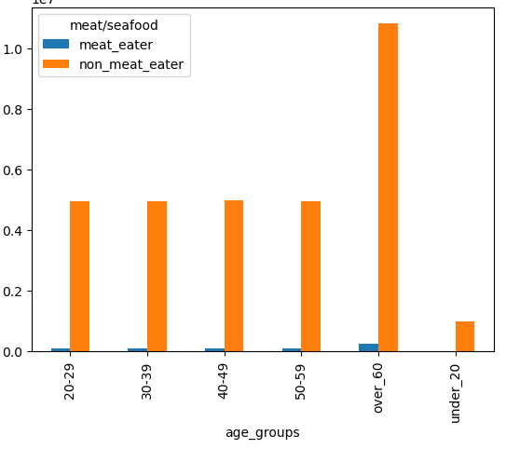
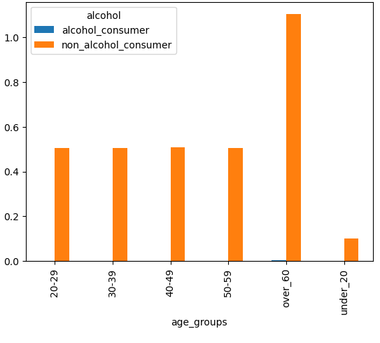
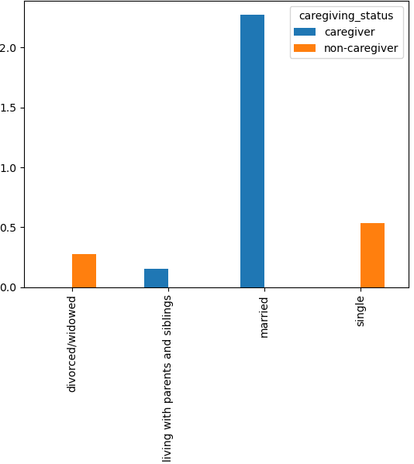
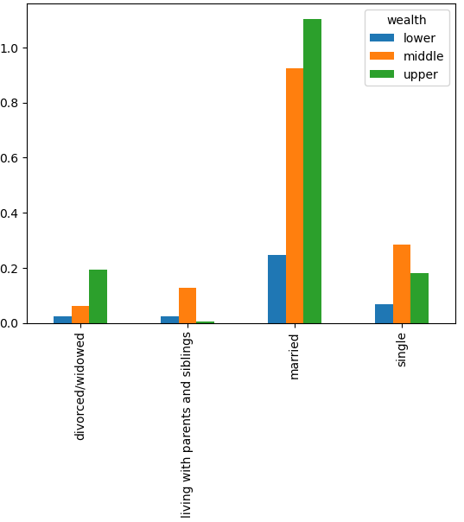

4.2 Product department sales per region |  |  |  | 4.3 Busiest days and hours for orders |  |  |  |  |  |  | 4.4 Price range per order hour of day
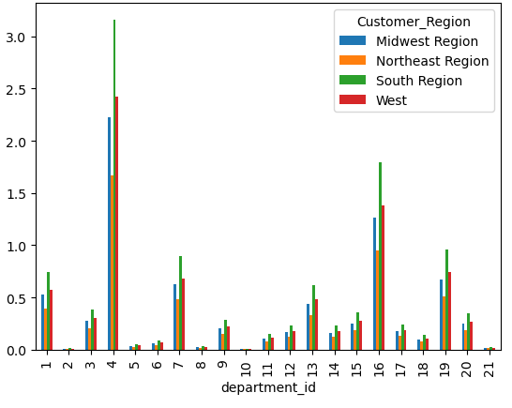
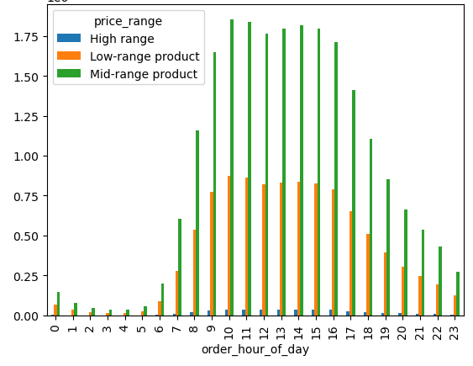
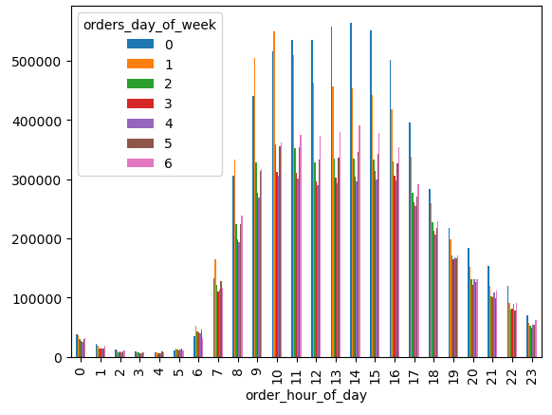

Produce department is most popular followed by dairy and eggs. Both are expected. |  |  |  | Uptick of sales around 7am, with a peak at 10am (as previously analyzed) |  |  |  |  |  |  | Mid-range products sell best, followed by low-range products.
There seems to be a predictable trend throughout the regions, |  |  |  | and decreasing sales after around 4pm.
South region is the biggest and has most sales.
All the Departments have the same patterns in each region
(South, West, Midwest, Northeast in decending order of sales)

4.5 Departments popular with frequent vs non-frequent customers |  |  |  |  | 4.6 Brand loyalty, how often do customers re-order? |  |  |  |  |  | 4.7 Ordering habits based on customer loyalty
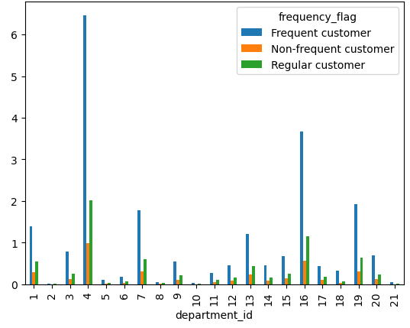
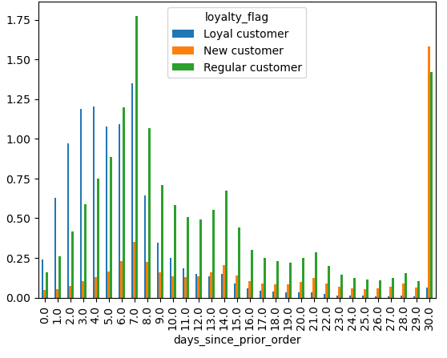
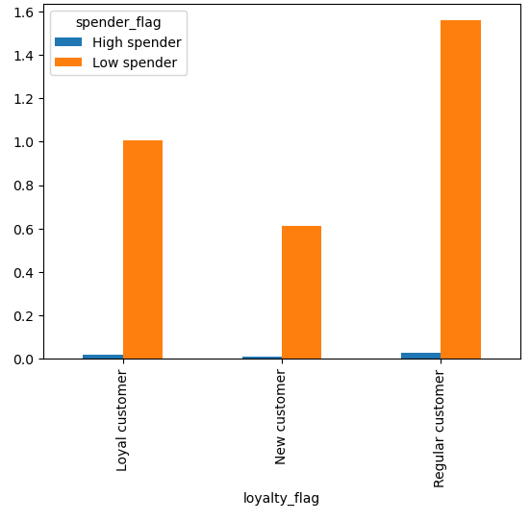
 |  |  |  |  |  |  |  |  |  |  |  |  |  |  | Regular customers spend most, followed by loyal customers

Same products are popular with frequent customers, see chart above

 |  |  |  | Loyal customers take fewer than 6 days to reorder vs. regular customers
 |  |  |  | who take 6-29 days.

4.8 Spending habits based on customer region |  |  |  |  |  | 4.9 Difference in spending habits based on age |  |  |  |  |  |  |  | 5.1 Difference in spending based on family status
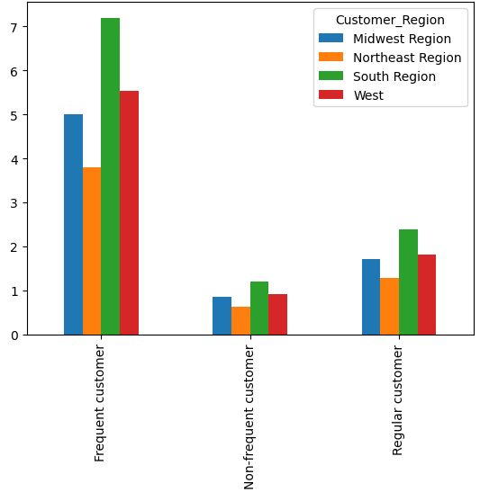
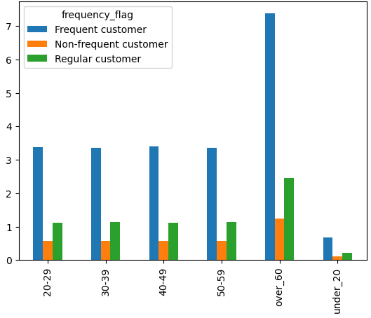
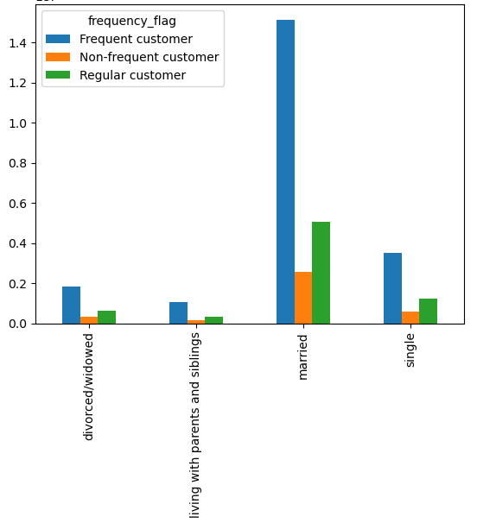
 |  | South region is the biggest spender |  |  |  |  |  |  |  |  | Over 60 is the biggest group |  |  |  |  |  |  | Married customers make up the biggest spenders
 |  | Frequent customers spend more |  |  |  |  |  |  |  |  | Frequent customers will spend more |  |  |  |  |  |  | Frequent customers spend more

 | 5.2 Customer living status and number of dependants |  |  |  |  |  |  |  | 5.3 Customer spending habits for each age group

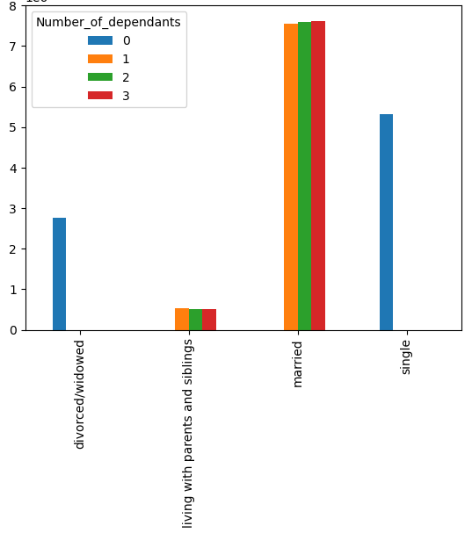
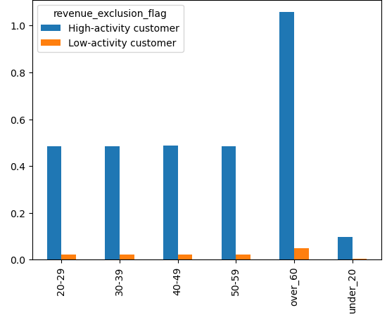
 |  |  |  | # of children is evenly distributed. |  |  |  |  |  |  |  |  |  | Biggest customer group over age 60.
 |  |  |  | Married customers have more children. |  |  |  |  |  |  |  |  |  | High-activity customers represent majority of customers.
 |  |  |  | Single and divorced customers have no children.

 | OVERALL CONCLUSION:

 | Age: The least caregivers are under the age of 20, most are 20+ with the highest population being 60+.
 | Age: Highest incomes (wealth) in the age groups over 40 years.
 | Age: High-activity customers across all ages, with >60 being the biggest group, and <20 the smallest.
 | Age: Charts do not show any indication of age affecting alcohol or meat purchases.
 | Age: At any age, the biggest customer base are frequent customers followed by regular customers.
 | Caregivers: Having children does not correlate with lower income/wealth, both caregivers and non-caregivers have the highest population with ‘upper’ incomes over 100’000.
 | Same with analyzing wealth within meat/alcohol departments, the non-consumers and consumers alike have the highest populations in the ‘upper’ wealth category.
 | Caregivers are mostly married or living with family, and there are similar amounts of customers with 1, 2, or 3 children.
 | Customers who are married are the biggest group, and fall into ‘upper’ or ‘middle’ wealth categories, same as divorced customers.
 | Customers who are single or living with family are mostly in the ‘middle’ wealth category.
 | Customers in all family situations are most likely to be frequent customers, married customers being the biggest group.
 | Customers in all age groups, in all family situations, caregivers or non-caregivers, spend similar amounts of money on orders and purchase similarly priced products. They also have similar timeframes between orders.
 | Customers in lower wealth category spend less (15.9 vs. 17.3) on average on orders, and order less expensive products (6.7 vs. 7.9) than customers with middle or upper wealth categories, however, the average timeframe between orders is similar.
 | Regions: South region is the biggest and leads sales in all departments, followed by West and Midwest. This could be attributed to population size.
 | Regions: throughout all regions, the biggest customer base is frequent customers.
 | Orders tend to be best on Saturdays and Sundays, and during daytime hours (starting around 7am into evening hours) with a peak at 10am as previously analyzed.
 | Mid-range products sell best, followed by low-range products, consistent throughout the day.
 | Frequent customers purchase staples such as produce, dairy, and snacks, and they are the biggest customers followed by regular customers. New customers make up the smallest customer base.
 | Loyal customers purchase more frequently (within 5 days), and regular customers re-purchase most between 6 and 29 days after their orders. Most customers are categorized as ‘low spenders’ as well.

7. Recommendations
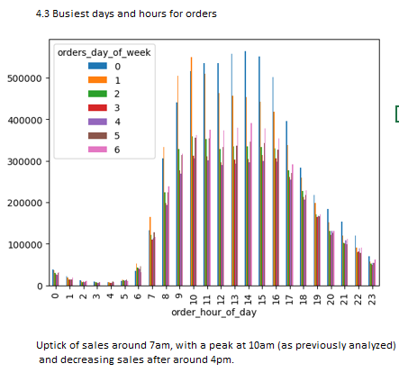
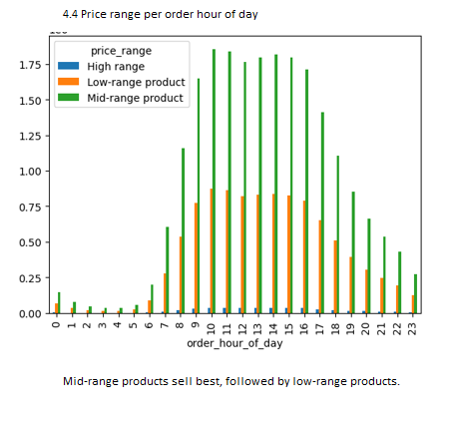
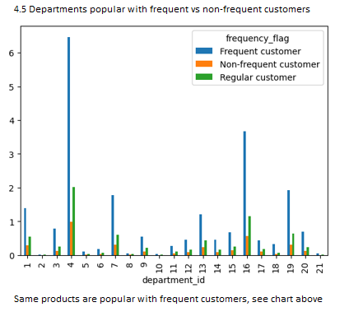
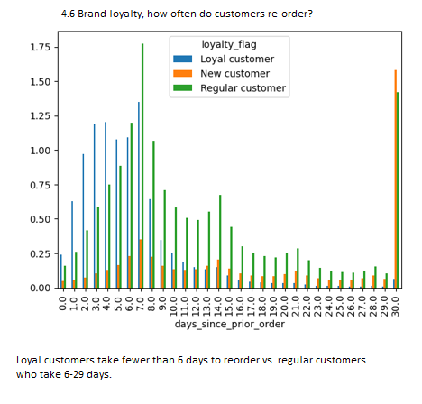
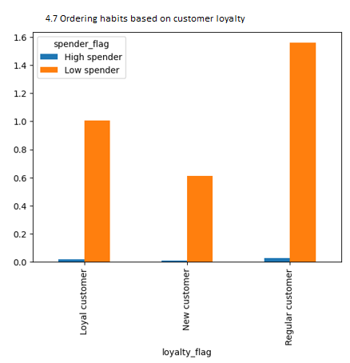
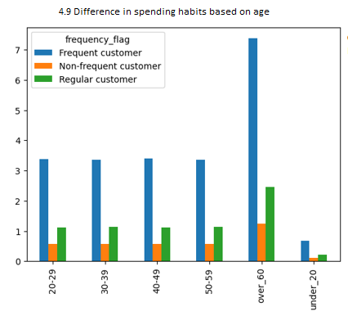
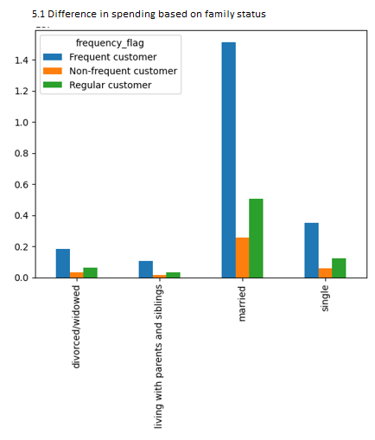
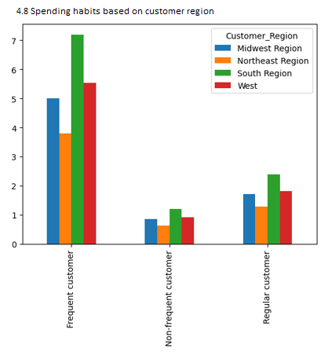
 | Instacart Grocery Basket Analysis

Recommendations

Question | Answer
# The sales team needs to know what the busiest days of the week and hours of the day are: | Saturday and Sunday during hours 9am-4pm, see chart 4.3
# Are there any particular times of the day when people spend the most money? | Mean orders contain too many rows of data to analyze per hour of day. Circumvent this by analyzing price range of products per hour.
 | Mid-range products sell most during peak and off-peak hours, followed by low-range products. See chart 4.4
# Marketing and sales want to use simpler price range groupings to help direct their efforts. | Price range column was created previously to help group products. Mid-range products sell best overall, see chart 4.4
# Are there certain types of products that are more popular than others? | Customers purchase staples such as produce, dairy, and snacks most often, and frequent customers are the biggest base followed by regular customers. See chart 4.5
# What’s the distribution among users in regards to their brand loyalty? | Loyal customers re-order within less than 6 days, regular customers lead after 6 days. See chart 4.6
# Are there differences in ordering habits based on a customer’s loyalty status? | Regular customers are the biggest spenders. No noticeable difference in high spenders. See chart 4.7
# Are there differences in ordering habits based on a customer’s region? | South region spends the most, followed by west region, see chart 4.8
# Is there a connection between age and family status in terms of ordering habits? | Frequent customers over age 60 are the biggest spenders, as well as married customers, see charts 4.9 and 5.1

Recommendations:
- Saturdays and Sundays between 9am and 4pm are popular times for customers to shop. Advertising can be targeted during those hours .
- Most popular products are mid-range, and top three categories are produce, dairy, and snacks, all staples. Those products sell most even during off-peak hours. Advertising could be targeted to other departments to promote other products as well.
- The south region is spending the most, followed by the west region. Further analysis could shed light into more specific spending habits within each region, and analyse family status, gender or age of customers in each region.
- Instacart seems to have loyal customers who re-order frequently, although there is no indication that those customers spend more overall. Efforts could be made to reward those loyal customers for their frequent orders to keep them even more loyal to the brand.
- Income increases in customers over age 40, and advertising could be targeting those customers to increase return customers.
- The analysis didn't show any indication of gender or being a caregiver having an effect on spending or income. There was no outcome of any factors infuencing meat (most expensive category) or alcohol purchases in consumers. Further analysis might be able to show if there are factors influencing purchases of those two departments.

